Layout_Trang chủ giáo viên
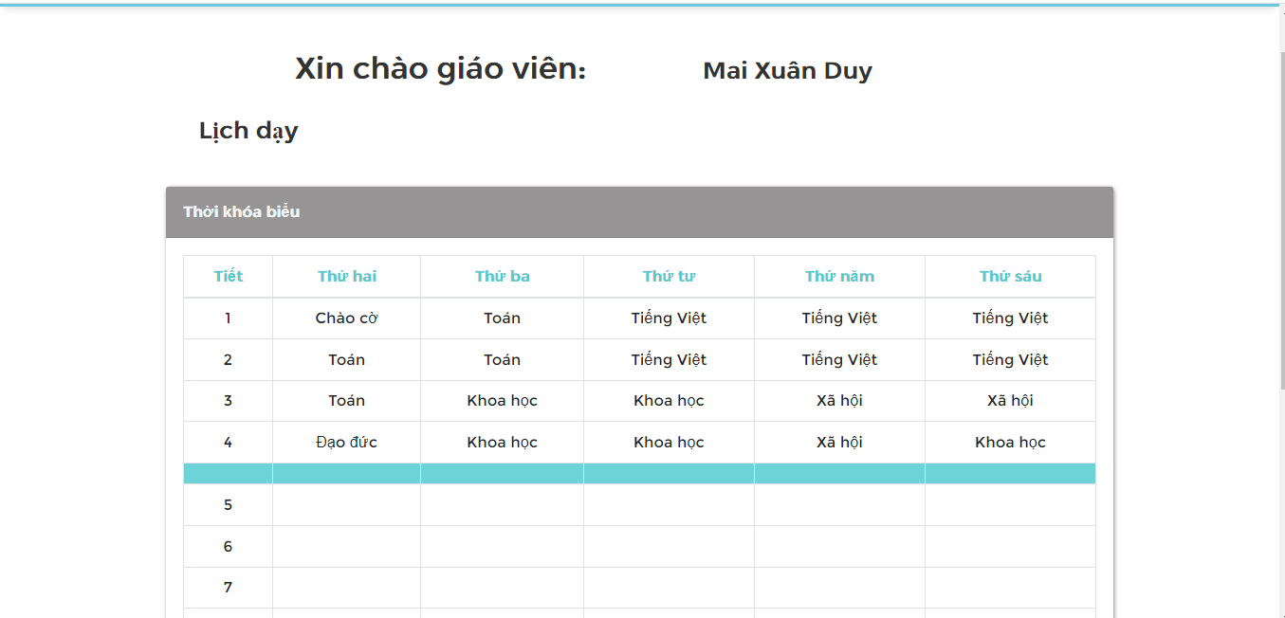

Layout HomeroomClass Infor
